Content
Content

Account Description: |  | Antonio Coffee Shop offer premium coffee

 |  | Posting Cadence
 | Brand Voice | ➜ Twenty (20) posts per month and ten (10) stories per month. See monthly campaign promos to see if you need to find specific photos for messaging ➜ UGCs (User Generated Content) which are tagged photos on Instagram. This can be found by going to the client’s Instagram (@antoniocoffeeshp) and going to the TAGGED tab. Make sure the photo follows the same rules. Make sure we give credit to all tagged photos
 | Keep in fun

 |  | Content Brief Link

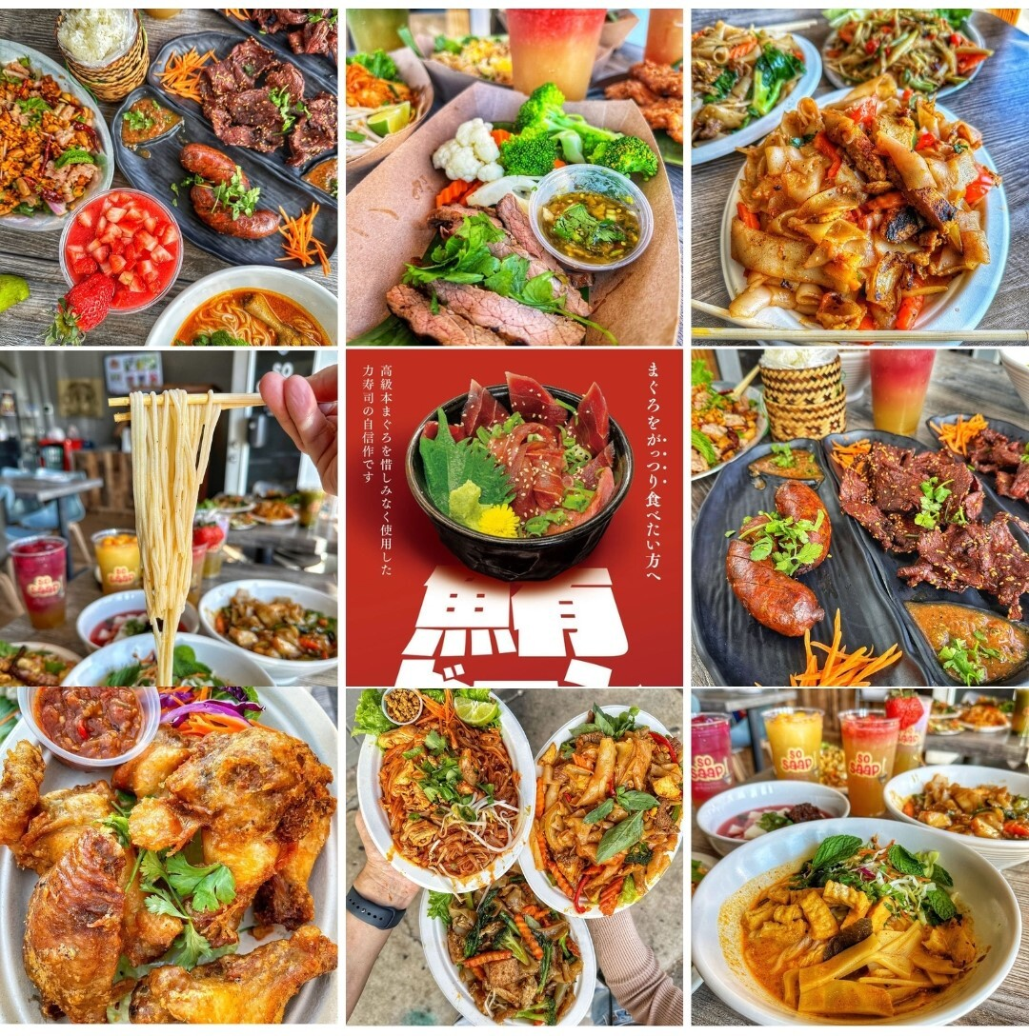
 |  | Photo Scheduling
 | Copywriting Notes: | See below grids for examples:
 | - freshly prepare, made to order | See below grids for examples:

 | - more dine-in , and general reach out, more fun game with customer via social media

 | - Fun game, random giveaway, happy hour

 |  | IG Story Notes
 |  | [NOTES]

 |  | Hashtag Strategy

